Columns
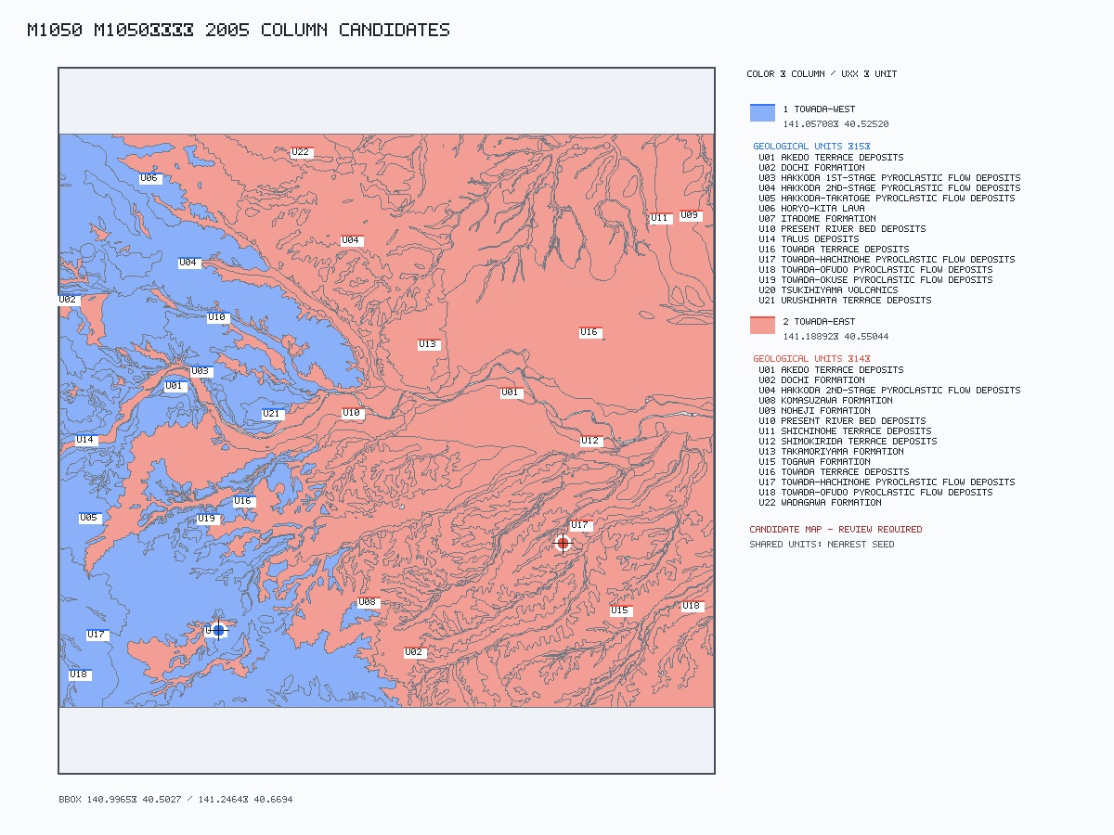
col_id | col_name | region_basis | lat | lng | geom | rgeom | evidence | status | ref_ids
1 | Towada-west | The western part of the map area comprising the eastern margin of the Ōu Backbone Range. PDF quote: "The western part of the map area consists of the eastern margin of the Ōu Backbone Range, and the eastern part of the map area is characterized by a hill and terrace surface topography." | 40.52520445 | 141.05707612 |  |  | PDF-constrained GSJ Shape interior point. Selected score 7.9398. inside assigned GSJ Shape polygon exclusive-unit polygon PDF map direction west: +3.94 Map verification: PDF-constrained candidate inside assigned polygon; inside assigned region: yes. Google Earth KML: column_map.kml. | CHECK | kudo2005
2 | Towada-east | The eastern part of the map area characterized by hill and terrace surface topography. PDF quote: "The western part of the map area consists of the eastern margin of the Ōu Backbone Range, and the eastern part of the map area is characterized by a hill and terrace surface topography." | 40.55043763 | 141.18892204 |  |  | PDF-constrained GSJ Shape interior point. Selected score 7.0133. inside assigned GSJ Shape polygon exclusive-unit polygon PDF map direction east: +3.84 Map verification: PDF-constrained candidate inside assigned polygon; inside assigned region: yes. Google Earth KML: column_map.kml. | CHECK | kudo2005

